Blank template
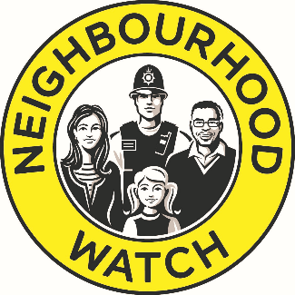

Neighbourhood Watch Network Community Grants
Budget Form

Association/Scheme/Group Name
Title of your project
Contact name

Amount of grant you are applying for |  | £200.00

Item | Description | Cost
Example item 1 | Example description 1 | £80.00

Total |  | £80.00

Example
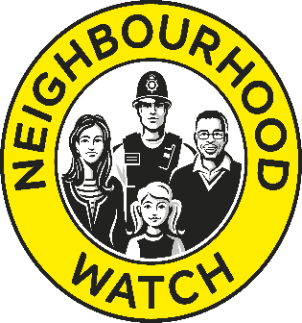

Neighbourhood Watch Network Community Grants
Budget Form

Association/Scheme/Group Name
Title of your project
Contact Name

Total cost of project | £
Amount of grant you are applying to NW for | £
Please tell us where any outstanding funding will come from

What will NW grant cover?
Item | Description | Cost

Total |  | £0.00

